Sheet1
Companies | Market Share (data from year 2021) | Largest competitor | Market share of largest competitors | Relative market share | Market Growth | Revenue(in Millions) for fiscal year 2020-2021.
Godrej Consumer Products Limited (GCPL) | 38% | Hindustan Unilever | 19% | 2.00 | 15% | $1,600.00
Godrej Properties Limited | 42% | DLF | 25% | 1.68 | 22% | $370.00
Godrej Agrovet Limited | 45% | Venky's India | 21% | 2.14 | 6% | $860.00
Godrej Locks & Architectural Fittings | 50% | Yale | 18% | 2.78 | 8% | $186.00
Godrej & Boyce Manufacturing Company Limited | 25% | Pidilite Ind | 10% | 2.50 | 7% | $1,600.00
Godrej Tyson Foods Limited | 14% | Suguna Foods | 15% | 0.96 | 15% | $860.00
Godrej Nature's Basket Limited | 3% | BigBasket | 10% | 0.30 | 20% | $1,700.00
Godrej Aerospace | 6.60% | Airbus | 65% | 0.10 | 18% | $1,600.00
Godrej Hershey Limited | 24% | Nestle India | 50% | 0.48 | 7% | $102.00
Godrej Infotech Limited | 16.00% | Tata Consultancy Services | 56% | 0.29 | 10% | $124.00

BCG Matrix of Godrej Group

?
Star
 |  |  |  |  |  | Done by: R.Naven (2022H1540835P)

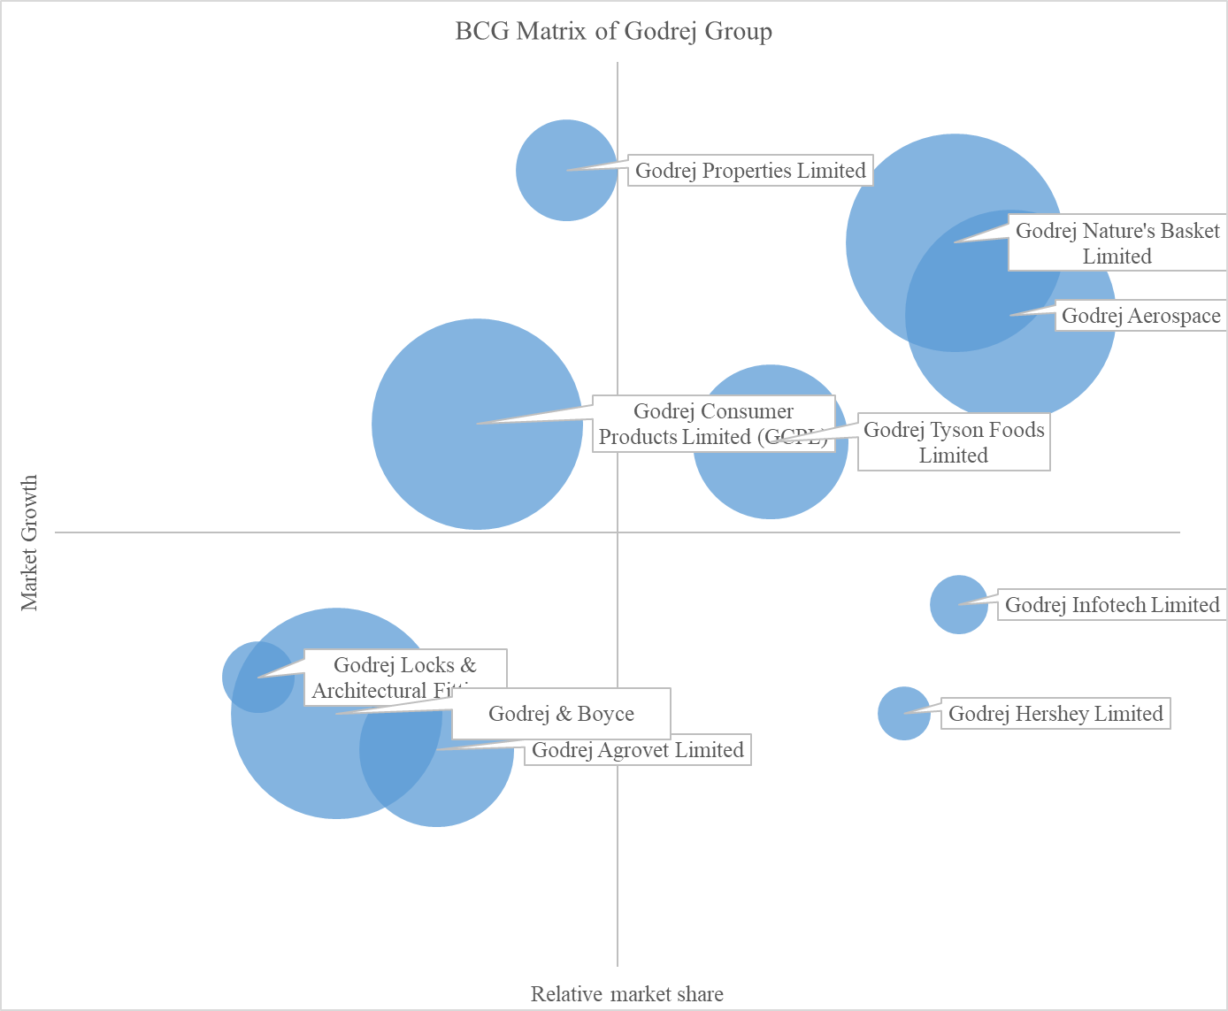

Cow
Dog

